机算求特征值例子
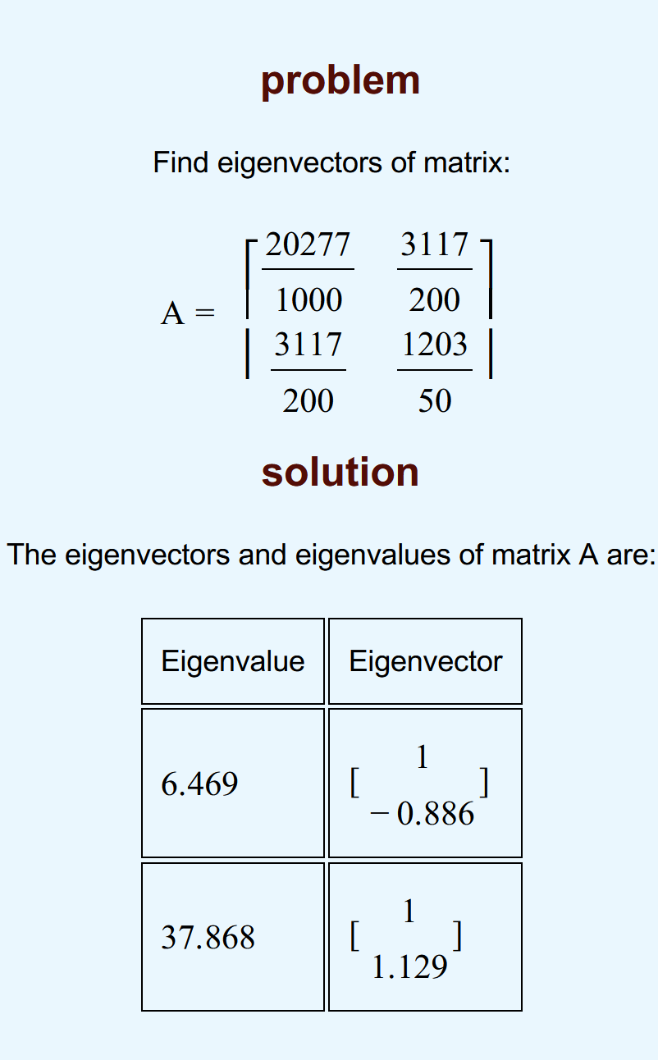
20.276666667 | 15.585 | https://www.mathportal.org/calculators/matrices-calculators/eigenvectors-calculator.php |  |  |  |  |  |  | ★
15.585 | 24.06
 |  | Det(A−λI)=0

 |  | (A−λI)x=0 |  | Ax=λx

 |  |  | 当λ=6.469 | I |  | λI
 |  |  |  | 1 | 0 | 6.469 | 0
 |  |  |  | 0 | 1 | 0 | 6.469

 |  |  |  |  |  | A-λI |  | 构造eigenvector
 |  |  |  |  |  | 13.807666667 | 15.585 | 1 | 1
 |  |  |  |  |  | 15.585 | 17.591 | y | -0.88595872099
soluction
$\left[\begin{matrix}a & b \\ c & d\end{matrix}\right]\left[\begin{matrix}1 \\ y\end{matrix}\right]=$λI [$\begin{matrix}1 \\ y\end{matrix}$]
a+by = λ
y = -(a-λ)/b
★ |  |  | 当λ=37.868 | I |  | λI
 |  |  |  | 1 | 0 | 37.86 | 0
 |  |  |  | 0 | 1 | 0 | 37.86

 |  |  |  |  |  | A-λI |  | 构造eigenvector
 |  |  |  |  |  | -17.583333333 | 15.585 | 1 | 1
 |  |  |  |  |  | 15.585 | -13.8 | y | 1.1282215806

